objects basic info
Object | Image | STL | Frame | Weight (g)
Petri Dish |  |  |  | 15.00
Marker w/ cap |  |  |  | 10.00
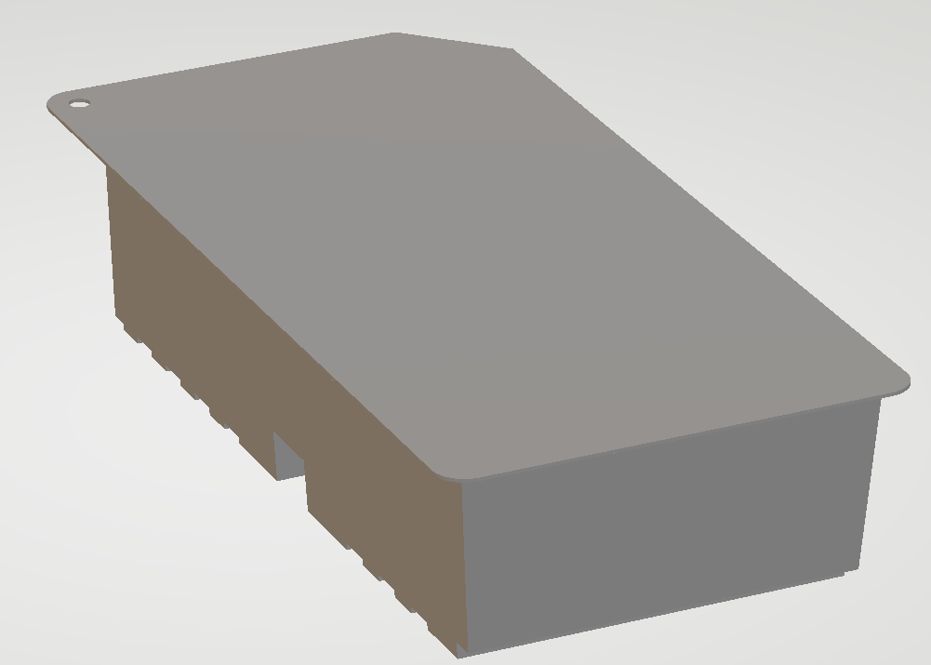
Marker Cap |  |  | Same as Marker | 2.25
Kit w/ tab |  |  | 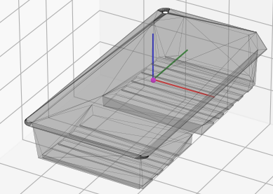 | 171.00
Kit Tab | 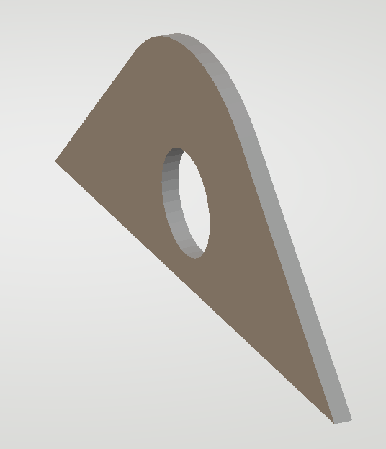 |  | 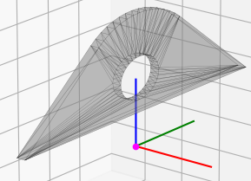 | 0.40
Cannister |  |  |  | 37.50
Tube |  |  |  | 31.00 | full length weight
Needle w/ cap |  |  |  | 10.50
Needle Cap |  |  | Same as Needle | 1.00
Rinse Glass K |  |  |  | 562.00
Red Plug |  | 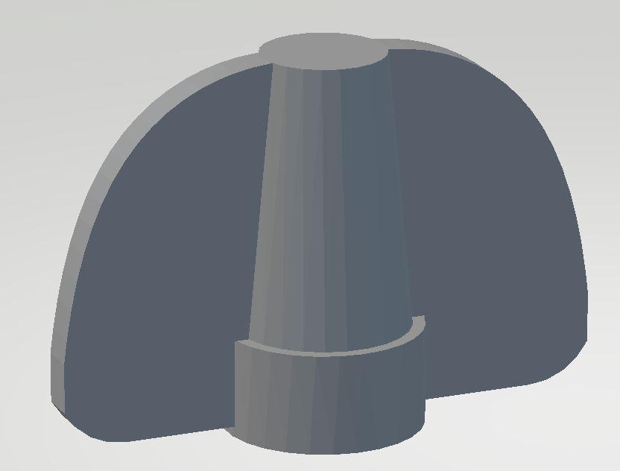 | 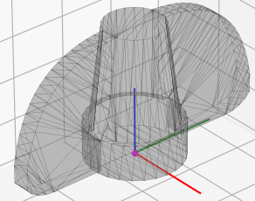 | 0.75
Glass Vial |  |  |  | 15.00
Yellow Plug |  |  |  | 1.00
Tube Clamp |  |  | 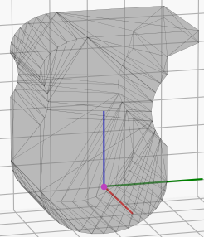 | 4.00
Scissors |  |  |  | 60.50

grasp info
Object | name | hand contacts | Reference photo | contact location | nc | rank(G) | Indeterminate | Graspable | FFC
PETRI DISH | T+1 |  | 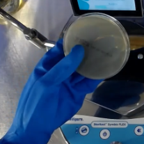 |  | 9 | 6 | FALSE | TRUE
 | C6 |  |  |  | 5 | 6 | FALSE | TRUE
 | C9 |  |  |  | 2 | 5 | FALSE | TRUE
 | C8 |  |  |  | 7 | 6 | FALSE | TRUE
 | T+5 |  | 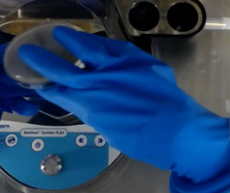 | 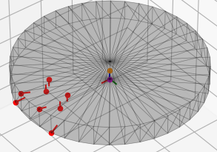 | 8 | 6 | FALSE | TRUE
 | T+2 |  | 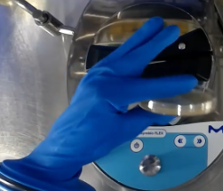 | 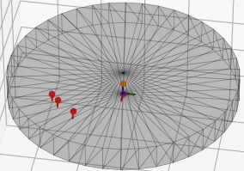 | 3 | 6 | FALSE | FALSE
 | T+4 |  | 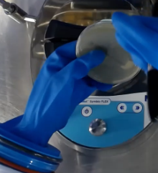 | 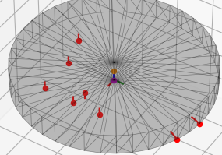 | 8 | 6 | FALSE | TRUE
MARKER | T+6 |  | 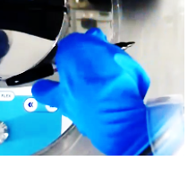 |  | 6 | 6 | FALSE | TRUE
 | T13 | 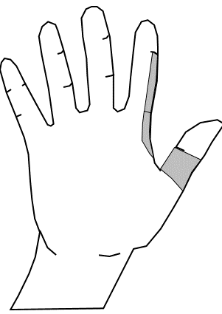 | 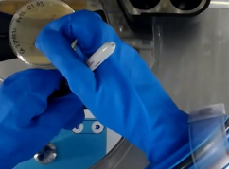 |  | 2 | 5 | FALSE | TRUE
 | F21 |  |  |  | 5 | 6 | FALSE | TRUE
 | T+8 |  | 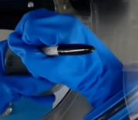 |  | 4 | 6 | FALSE | TRUE
MAKER CAP | C16 |  |  |  | 5 | 6 | FALSE | TRUE
 | T16 |  |  |  | 5 | 6 | FALSE | TRUE
 | F21 |  |  |  | 3 | 6 | FALSE | TRUE
KIT | C1 |  |  |  | 14 | 6 | FALSE | TRUE
 | C13 |  |  |  | 5 | 6 | FALSE | TRUE
KIT TAB | C16 |  |  |  | 4 | 6 | FALSE | TRUE
CANNISTER | C3 |  |  |  | 16 | 6 | FALSE | TRUE
 | T1 |  |  |  | 13 | 6 | FALSE | TRUE
 | C6 |  |  |  | 5 | 6 | FALSE | TRUE
TUBE | T6 | 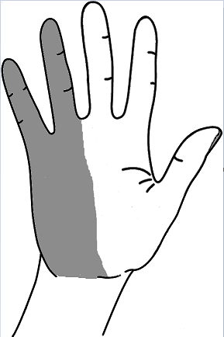 |  |  | 8 | 6 | FALSE | TRUE
 | C6 |  |  |  | 5 | 6 | FALSE | TRUE
 | T10 |  |  |  | 3 | 6 | FALSE | TRUE
 | C8 |  |  |  | 3 | 6 | FALSE | TRUE
NEEDLE | T16 |  |  |  | 5 | 6 | FALSE | TRUE
 | T10 |  | 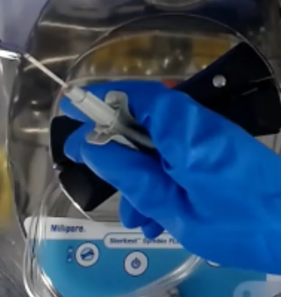 |  | 3 | 6 | FALSE | TRUE
 | F26 |  |  |  | 3 | 6 | FALSE | TRUE
NEEDLE CAP | C8 |  |  | 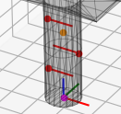 | 3 | 6 | FALSE | TRUE
 | T10 |  |  | 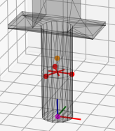 | 3 | 6 | FALSE | TRUE
RINSE GLASS | T1 |  |  |  | 13 | 6 | FALSE | TRUE
 | T20 |  |  |  | 8 | 6 | FALSE | TRUE
 | T2 |  |  |  | 2 | 5 | TRUE | TRUE
 | T17 | 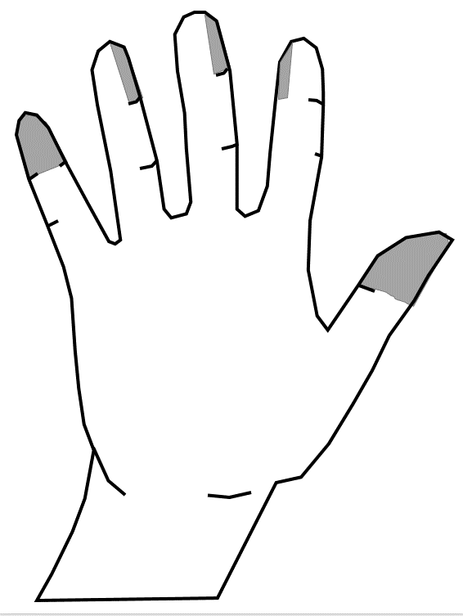 |  |  | 5 | 6 | FALSE | TRUE
RED PLUG | C9 |  |  | 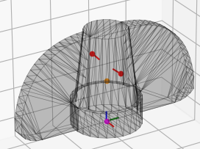 | 2 | 5 | FALSE | TRUE
 | F26 |  |  |  | 5 | 6 | FALSE | TRUE
 | C8 |  |  | 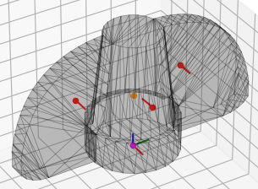 | 3 | 6 | FALSE | TRUE
GLASS VIAL | T10 |  |  |  | 3 | 6 | FALSE | TRUE
 | C9 |  |  |  | 2 | 5 | FALSE | TRUE
YELLOW PLUG | C9 |  |  |  | 2 | 5 | FALSE | TRUE
 | F26 |  |  |  | 4 | 6 | FALSE | TRUE
 | C8 |  |  |  | 3 | 6 | FALSE | TRUE
CLAMP | T7 | 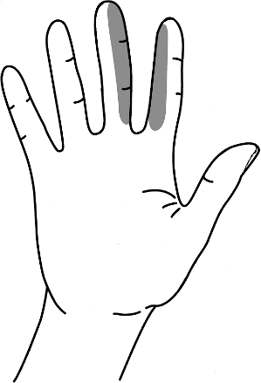 |  |  | 2 | 5 | TRUE | TRUE
 | T8 |  |  | 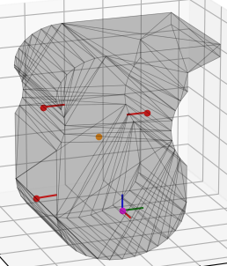 | 3 | 6 | FALSE | TRUE
 | T8 force |  |  |  | 4 | 6 | FALSE | TRUE
 | T9 | 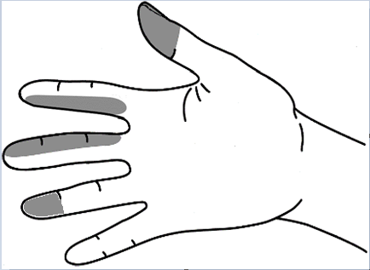 |  |  | 3 | 6 | FALSE | TRUE
SCISSORS | C16 OPEN |  |  | 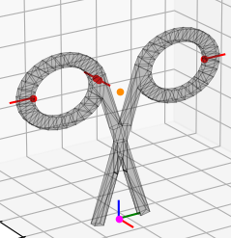 | 4 | 6 | FALSE | TRUE
 | C16 CLOSE |  |  | 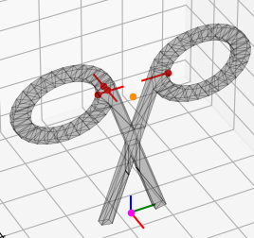 | 4 | 6 | FALSE | TRUE

